SWMS
1. Choose the type of SWMS |  |  |  |  |  | Simplified Storm Water Management System Notes
2 |  |  | STORM WATER MANAGEMENT SYSTEM (SWMS) PIPE LAYOUT & SYSTEM DATA |  |  | A simplified system is rectangular with two manifolds (see sketch below).

2. Type in below the total amount of storage volume required (ft³) |  |  |  | SWMS Type | Retention | Retention implies groundwater infiltration using fully perforated pipe.
 | Corrugated Metal Pipe (CMP) |  | Storage Volume Required (ft³) |  | 35,400
 |  |  | Pipe Diameter (inches) |  | 60 | Entire SWMS of the same size pipe (manifolds/laterals of same diameter).
35,400 |  |  | No. of Laterals |  | 10
 | Diameter of Pipe (ft) |  |  |  | 5.00
3. Choose pipe diameter (in) | Cross-Sectional Area of Pipe (ft2) |  |  |  | 19.63 | Cross-sectional area (ft2) is the same as the volume per foot of pipe (ft3/ft).
7 | Minimum Lateral Spacing (ft) |  |  |  | 2.50 | Minimum spacing between sides of pipe per AASHTO 12.6.7.
 | Stone Storage Above Pipe (ft) |  |  |  | 1.00 | As available for infiltration systems.
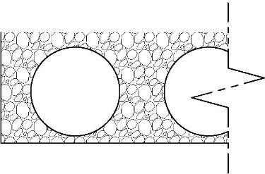
 | 6-in bedding | backfill 12-in above pipe |  | Bedding (ft) | 0.50 | Bedding used as part of the storage depth for retention systems.
4. Choose the number of laterals |  |  | Storage Depth (ft) |  | 6.50 | Bedding thickness + Pipe OD + storage above pipe.
10 |  |  | Backfill Void Ratio |  | 40% | 40% porosity for washed, open graded, angular aggregate.
 | 6.5 |  | Manifold Length (ft) |  | 72.50
 |  |  | Lateral Length (ft) |  | 97.59 | Length of each lateral between manifolds.
5. Choose bedding depth (ft) |  |  | Total Pipe Length (ft) |  | 1,120.9 | Theoretical length of pipe needed for the entire SWMS (manifolds and laterals).
0.50 | 2.00 | 2.50 | Excavation Width (ft) |  | 76.50 | Includes an additional 2-ft from the edge of pipe along each side of the SWMS.
 |  | above dimensions in feet | Excavation Length (ft) |  | 111.59 | Includes an additional 2-ft from the edge of pipe on each end of the SWMS.
6. Choose amount of stone storage above pipe (ft) |  |  | Stone Required (yd3) |  | 1,240 | Total amount of stone if backfilling to a height of 1-ft above top of pipe (recommended).
 | Pipe Storage Volume Provided (ft3) |  |  |  | 22,008
1.00 | Stone Storage Volume Provided (ft3) |  |  |  | 13392 | See storage depth note above.
 | Total Volume Provided (ft3) |  |  |  | 35,400

 | 60 | -in Diameter CMP |  |  | 10 | Laterals | Excavation Footprint | 8537 | sf
 | Fully Perforated Retention System |  |  |  |  |  | System Footprint | 7800 | sf

 |  |  |  |  |  | System Length (ft)
 |  |  |  |  |  | 107.59
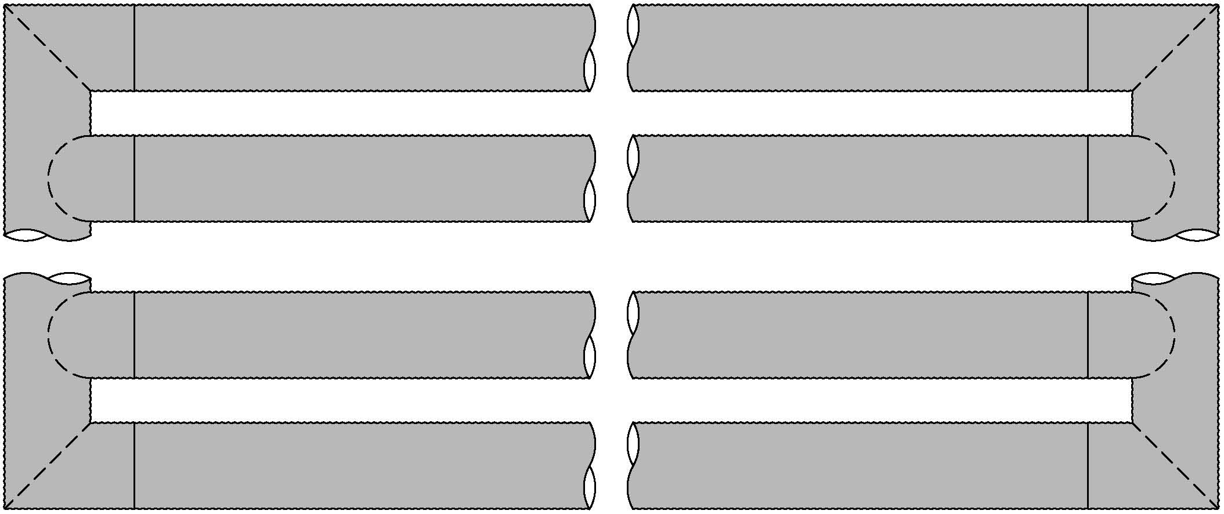

 | 76.50
 | Excavation |  |  |  |  |  |  |  | 72.50
 | Width (ft) |  |  |  |  |  |  |  | System
 |  |  |  |  |  |  |  |  | Width (ft)

 |  |  |  |  |  | 111.59
 |  |  |  |  |  | Excavation Length (ft)

